Sheet1
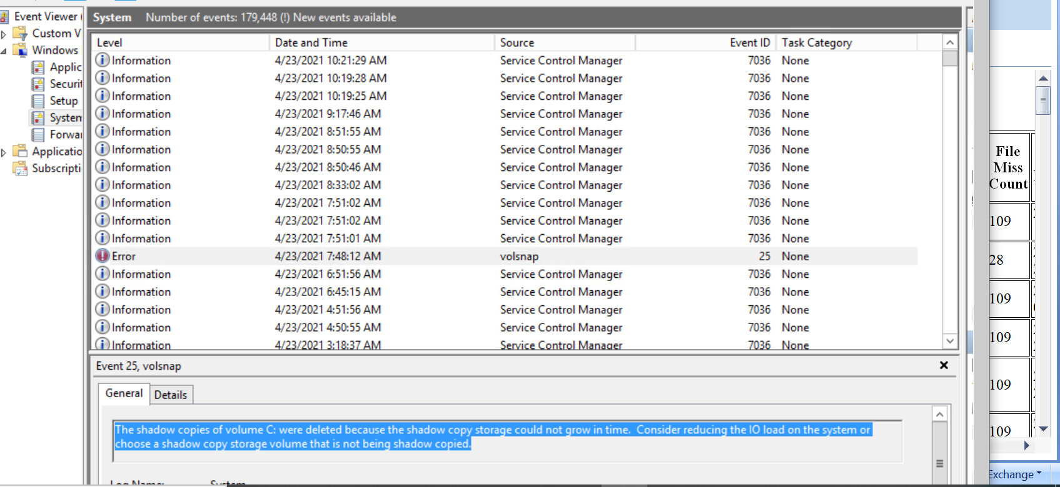
Incident | LnR Failed in HRJ
Date Incident Occurred | 2021-04-23
Incident Investigator | Pratiksha Chavan
Description of Problem | Today morning LnR process took longer than normal. When we checked server LnR got failed and database is in recovery mode. Usually some other process would have clashed lnr process for example patch applying, anti virus etc. In this case LnR takes long time and later got failed. This was conclusion at first glance
Defined Problem | Symphony server log Snippet: 04/23/2021 07:49:42,spid15s,Unknown,SQL Server has encountered 49 occurrence(s) of I/O requests taking longer than 15 seconds to complete on file [E:\SQL_SYMPHONY_DATA\SYMPHONY_HRJ_Data.MDF] in database id 7. The OS file handle is 0x0000000000000A80. The offset of the latest long I/O is: 0x000008c73b4000
Mapped out processGather Necessary Logs | SQL Server Management Studio Log - 4/23/2021 10:03:17 AM: loadFiles general exception: ExecuteNonQuery requires an open and available Connection. The connection's current state is closed. 4/23/2021 10:03:17 AM: System.InvalidOperationException: ExecuteNonQuery requires an open and available Connection. The connection's current state is closed. at System.Data.SqlClient.SqlCommand.ValidateCommand(String method, Boolean async) at System.Data.SqlClient.SqlCommand.InternalExecuteNonQuery(TaskCompletionSource`1 completion, String methodName, Boolean sendToPipe, Int32 timeout, Boolean& usedCache, Boolean asyncWrite, Boolean inRetry) at System.Data.SqlClient.SqlCommand.ExecuteNonQuery() at InherentSimplicity.DBManager.ExecuteNonQuery(SqlCommand cmd) at InherentSimplicity.DataAccess.DassBase.ExecuteNonQuery(SqlCommand cmd, SqlConnection conn, SqlTransaction trans) at InherentSimplicity.DataAccess.DassStockLocationsSkuHistory.newDateForHistoryTable(Int32 stockLocationID, DateTime updatDate, SqlConnection conn, SqlTransaction trans, Nullable`1 partitionID, String partitionFunctionName) at InherentSimplicity.Module1.NewDateHandler.completeHistoryParall() at InherentSimplicity.Module1.InputProcessManager.processNewInput(Boolean haveDBtoDB) at InherentSimplicity.Module1.SymphonyInitApplication.loadFiles(String dbName, Nullable`1 ActionSource, Boolean sExportCustomReport, Boolean sEmailCustomReports, Boolean autoloadOn, Boolean forceDplm) 4/23/2021 10:03:17 AM: ------------------------------------ 4/23/2021 10:03:17 AM: --> Rollback 4/23/2021 10:03:17 AM: Failed to rollback transactionThis SqlTransaction has completed; it is no longer usable.
Complete cause/effect analysis | Once database came out of recovery mode, restore DB and start LnR from task scheduler
Verified root cause with data | There was connection drop with SQL server, due to large log files
Developed steps for solutions and Prevention | Shrink database for large log files and compress it.
Pilot of implementation | NA
Implementation Completed | Done on Production database server
Completed Control/Monitoring Plan | Added the steps to shrink LDF log files. Also added monitoring steps for database like reporting services should be false and index parameter should be between 0.9 to 1. Also checked windows event log of the same time stamp. Got following error in event viewer.

